Investment decision
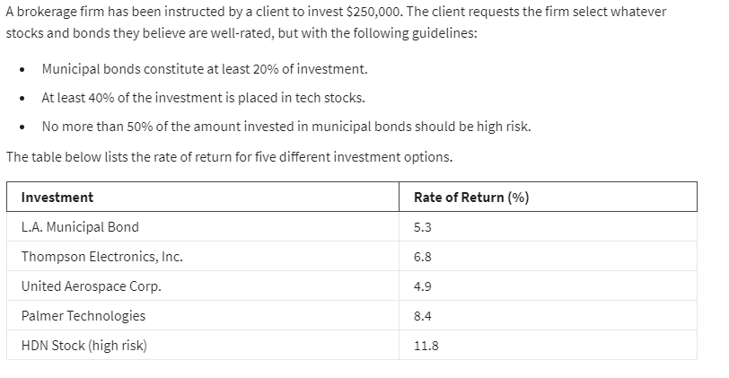
 | L.A Munsipal Bond | thomson | united tech | palmer tech | HDN high risk
Variables: | $50,000 | $0 | $0 | $175,000 | $25,000
 | 5.3% | 6.8% | 4.9% | 8.4% | 11.8%

Objective(max):
Actual return: | $20,300.00 | =SUMPRODUCT(B2:F2,B3:F3)

Constraints |  |  |  |  |  | LHS | sign | RHS
Budget | 1 | 1 | 1 | 1 | 1 | 250000 | <= | 250000
Muncipal bnds 20% | 1 |  |  |  |  | 50000 | >= | 50000
Tech stocks 40% |  | 1 | 1 | 1 |  | 175000 | >= | 100000
High risk(<50%) | -50% |  |  |  | 1 | 0 | <= | 0

